Indices

 | Iraq Stock Exchange
 | Bulletin No (49)
 | ISX Trading Indices of Sunday 15/3/2026

 | Traded Volume and OTC |  | 1,022,564,794 |  | Traded Value and OTC |  | 9,624,913,741 |  | Traders | 946

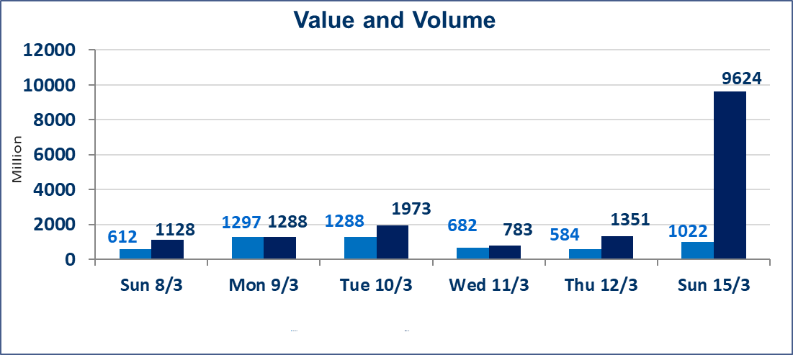
 | ISX Index 60 |  |  | 988.86 | ISX Index 15 |  |  | 1236.63
 | Previous ISX Index60 |  |  | 988.70 | Previous ISX Index15 |  |  | 1236.41
 | Change % |  |  | 0.02 | Change % |  |  | 0.02
 | Change |  |  | 0.16 | Change |  |  | 0.22

 | Listed Companies | 104 | OTC | 14 | Non Traded listed | 31 | OTC | 13
 | Traded Listed Companies | 60 | OTC | 1 | Higher Companies |  |  | 17
 | GAM Companies |  |  | 3 | Lower Companies |  |  | 14
 | Suspended Companies |  |  | 10
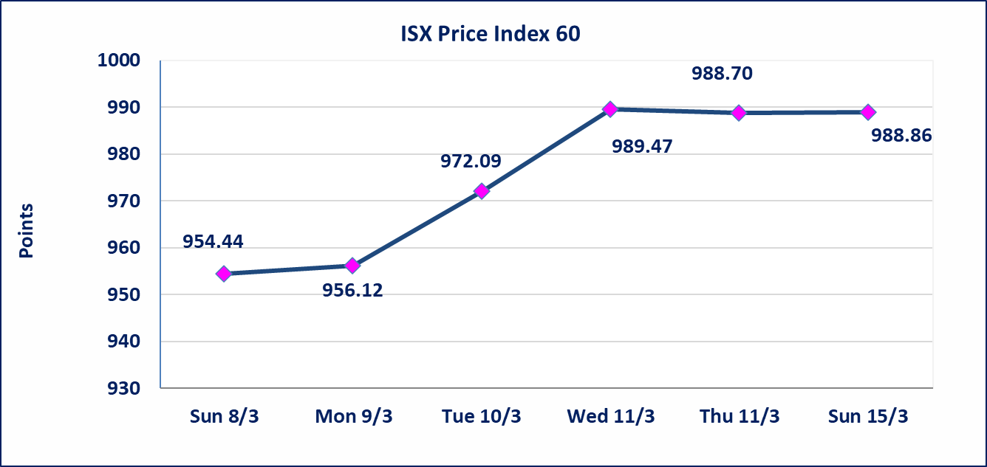
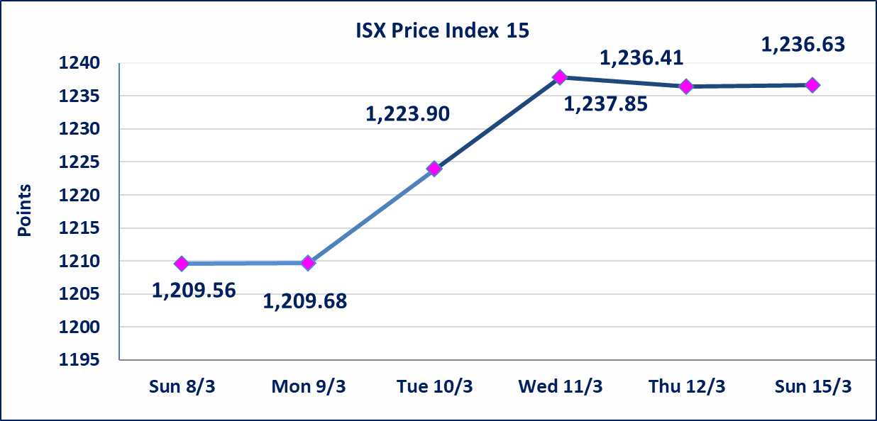

 | special orders | Al-Karmel Brokerage Company executed a deliberate cross order on the shares of Al-Mansour Hotels Company, with a number of (179,000,000) Million shares worth (8,950,000,000) billion dinars, during the additional session time (after 1 pm) in accordance with the procedures for executing large transactions.
Al-Alwiya P.O . 3607 Mobile: 07711211522 - 07270094594 - 07834000034 E-mail: info-isx@isx-iq.net Web site:www.isx-iq.net

Top 5
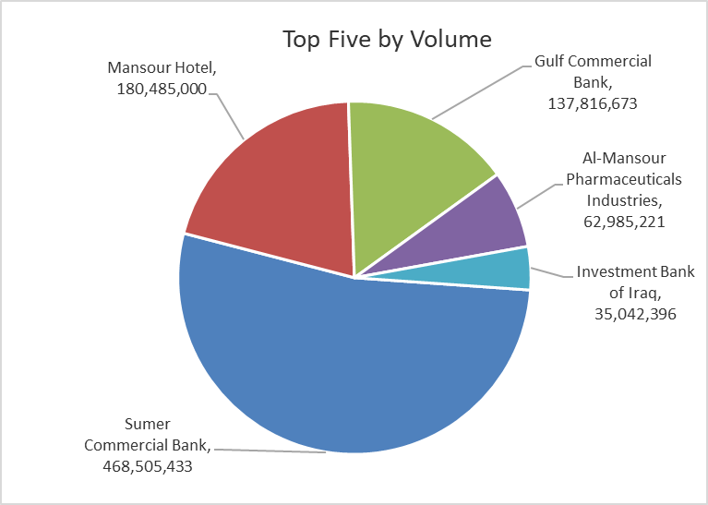
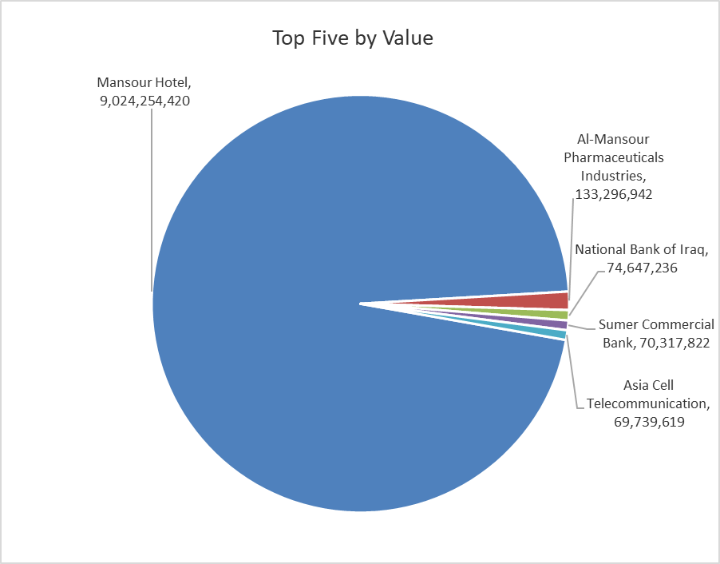

ISX top ganing and losing companies
Sunday 15/3/2026
 | Gainers |  |  |  | Losers
 | Company Name | Closing Price | Change (%) | Traded Volume | Company Name | Closing Price | Change (%) | Traded Volume
 | Sumer Commercial Bank | 0.160 | 6.67 | 468,505,433 | Mosul Bank For Investment | 0.140 | -6.67 | 7,000,000
 | Ready Made Clothes | 2.310 | 5.00 | 141,475 | Iraqi Carton Manufactories | 2.900 | -4.92 | 4,384,974
 | Al-Hamraa for Insurance | 4.620 | 5.00 | 31,000 | Investment Bank of Iraq | 0.220 | -4.35 | 35,042,396
 | Ashour Hotel | 29.400 | 5.00 | 1,000 | Elaf Islamic Bank | 0.250 | -3.85 | 86,322
 | Fallujah for construction Materials | 2.970 | 4.95 | 1,166,849 | Baghdad -Iraq Transportation | 22.800 | -2.98 | 1,566,716
 | The most active companies in term of traded volume and value

 | Traded Volume |  |  |  | Traded Value
 | Company Name | Closing Price | Change (%) | Traded Volume | Company Name | Closing Price | Change (%) | Traded Value
 | Sumer Commercial Bank | 0.160 | 6.67 | 468,505,433 | Mansour Hotel | 50.000 | 4.67 | 9,024,254,420
 | Mansour Hotel | 50.000 | 4.67 | 180,485,000 | Al-Mansour Pharmaceuticals Industries | 2.110 | 0.00 | 133,296,942
 | Gulf Commercial Bank | 0.340 | 3.03 | 137,816,673 | National Bank of Iraq | 4.800 | 1.27 | 74,647,236
 | Al-Mansour Pharmaceuticals Industries | 2.110 | 0.00 | 62,985,221 | Sumer Commercial Bank | 0.160 | 6.67 | 70,317,822
 | Investment Bank of Iraq | 0.220 | -4.35 | 35,042,396 | Asia Cell Telecommunication | 14.820 | -0.40 | 69,739,619

Non Iraqi

Iraq Stock Exchange
Non Iraqis' Bulletin Sunday March 15 2026
Regular Market

Non Iraqi Trading of Regular Market (Sell)
Company Names | Code | No.of trades | Traded Shares | Trading Volume
Banks Sector
Bank Of Baghdad | BBOB | 4 | 845,000 | 2,805,400
Total Bank sector |  | 4 | 845,000 | 2,805,400
Telecommunication Sector
Asia cell | TASC | 25 | 2,000,000 | 29,633,491
Total Telecommunication sector |  | 25 | 2,000,000 | 29,633,491
Grand Total |  | 29 | 2,845,000 | 32,438,891

Non Iraqi Trading of Second Market (Sell)
Company Names | Code | No.of trades | Traded Shares | Trading Volume
Insurance Sector
AHliya For Insurance | NAHF | 1 | 25,000 | 21,250
Total Insurance sector |  | 1 | 25,000 | 21,250
Grand Total |  | 1 | 25,000 | 21,250

Not Trading Bonds

Iraq Stock Exchange
Sunday 15/3/2026
Not Trading Bonds Bulletin
Bond type | Publish type | Code | last trading price | immortilize date
Banaa Bonds /Million ID | Second | CB20 | 964,981 | 19/12/2025
Eamar Bonds /Million ID | First | CB30 | 1,001,095 | ــــــــــــــــ
Eamar Bonds /Million ID | Second | CB40 | ــــــــــــــــ | ــــــــــــــــ
Eamar Bonds /500 Thousand ID | Third | CB45 | ــــــــــــــــ | ــــــــــــــــ
Eamar Bonds /Million ID | Third | CB50 | ــــــــــــــــ | ــــــــــــــــ
Injaz Bonds /500 Thousand ID | First | CB55 | ــــــــــــــــ | ــــــــــــــــ
Injaz Bonds /Million ID | First | CB60 | ــــــــــــــــ | ــــــــــــــــ
Injaz Bonds /500 Thousand ID | Second | CB65 | 503,793 | ــــــــــــــــ
Injaz Bonds /Million ID | Second | CB70 | 1,026,082 | ــــــــــــــــ
Injaz Bonds /500 Thousand ID | Third | CB75 | ــــــــــــــــ | ــــــــــــــــ
Injaz Bonds /Million ID | Third | CB80 | 978,182 | ــــــــــــــــ
National Bonds/Million ID | First | CB90 | ــــــــــــــــ | ــــــــــــــــ
National Bonds/500 Thousand ID | Second | CB95 | ــــــــــــــــ | ــــــــــــــــ
National Bonds/Million ID | Second | CB100 | ــــــــــــــــ | ــــــــــــــــ

